Sheet1
Gauge | Color Code | Logic | Example
Schedule % Percentage | Blue and Gray
Actual % Percentage | Green, Red and Gray | Actual % value <= schedule % value, will display Red color
 |  | Actual % Value > Schedule % value, will display Green Color
Schedule Performance Index | Red, Green and Gray | Guage range 0.0 to 2.0, Point range <1.0 is Red and >=1.0 is Green
Cost Performance Index | Red, Green and Gray | Guage range 0.0 to 2.0, Point range <1.0 is Red and >=1.0 is Green
Physical Progress Scurve | Green, Red and Blue | Green line is Planned %(Y-Axis1), Dark Green line is Actual %(Y-Axis2), Red line is statusDate(Vertical Line, i.e., coming from projectInfo.json) Variance = physicalProgressPercentage - baselinePlannedTotalCostPercentage, on statusDate i.e., from projectInfo.json | 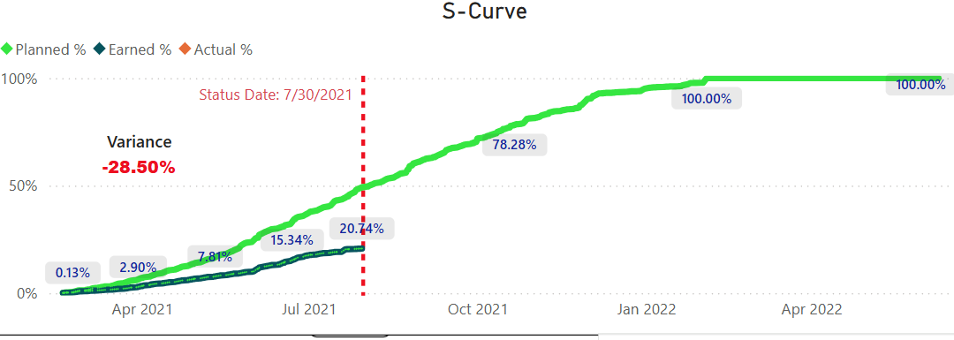 | For Baseline Scurve, X-Axis: startDate Y-Axis1: baselinePlannedTotalCostPercentage Y-Axis2: physicalProgressPercentage

Cost Performance Summary | Green, Yellow, Red and Blue | Purple line(Y-Axis1) is Planned Cummulative Cost, Yellow Line(Y-Axis2) is Actual Cummulative Cost, Red Histogram is Actual cost, Blue Histogram is Planned Cost | 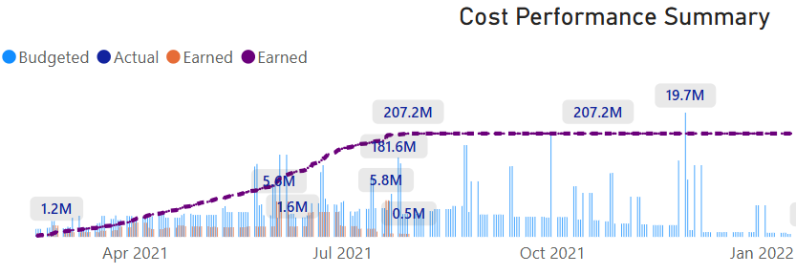 | For Scurve - X-Axis: startDate Y-Axis1: cumSumBaselinePlannedTotalCost Y-Axis2: cumSumActualCost For Histogram Y-Axis1: sumBaselinePlannedTotalCost Y-Axis2: sumActualCost

